Sweeney_2014
Sweeney et al (2014) - Induction Cooking Technology Desgin and Assessment
https://www.aceee.org/files/proceedings/2014/data/papers/9-702.pdf

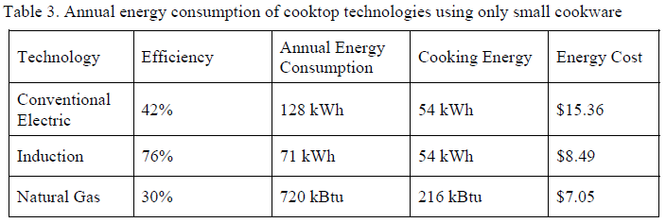
Year | Machine | Efficiency [-]
2014 | Electric cookers | 42.00%
2014 | Induction cookers | 76.00%
2014 | Gas cookers | 30.00%

Ayres_2005
Ayres et al (2005) - On the efficiency of US electricity usage since 1900
https://www.sciencedirect.com/science/article/pii/S036054420400324X

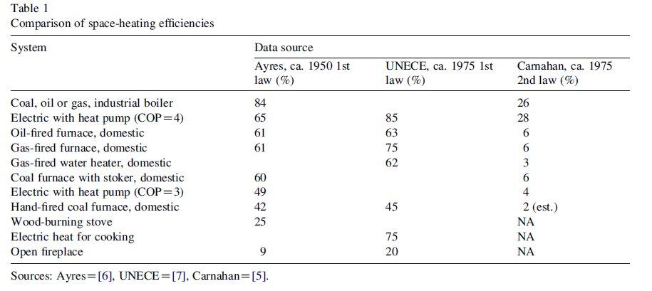
 | Ayres | UNECE | Carnahan
System | 1950 | 1975 | 1975
Coal, oil or gas, industrial boiler | 0.84 |  | 0.26
Electric with heat pump (COP = 4) | 0.65 | 0.85 | 0.28
Oil-fired furnace, domestic | 0.61 | 0.63 | 0.06
Gas-fired furnace, domestic | 0.61 | 0.75 | 0.06
Gas-fired water heater, domestic |  | 0.62 | 0.03
Coal furnace with stoker, domestic | 0.6 |  | 0.06
Electric with heat pump (COP = 3) | 0.49 |  | 0.04
Hand-fired coal furnace, domestic | 0.42 | 0.45 | 0.02
Wood-burning stove | 0.25
Electric heat for cooking |  | 0.75
Open fireplace | 0.09 | 0.2

Hyman_1986
Hyman (1986) - The economics of improved charcoal stoves in Kenya
https://www.sciencedirect.com/science/article/pii/0301421586901254
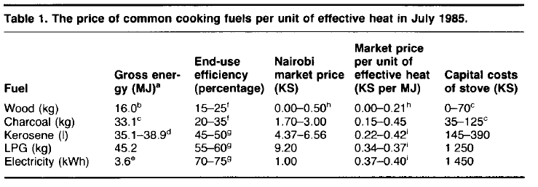
Table 1
Year | Country | Cooking Stove Fuel | End-Use Efficiency [-]
1985 | KEN | Wood | 20.00%
1985 | KEN | Charcoal | 27.50%
1985 | KEN | Kerosene | 47.50%
1985 | KEN | LPG | 57.50%
1985 | KEN | Electricity | 72.50%

